Problem 2
Problem 2
Using the information on the page at right from the ASME piping code, calculate the required thickness of a stainless steel tube, 6 inches in diameter, 0.083” wall thickness, rated for 20 bar internal pressure.

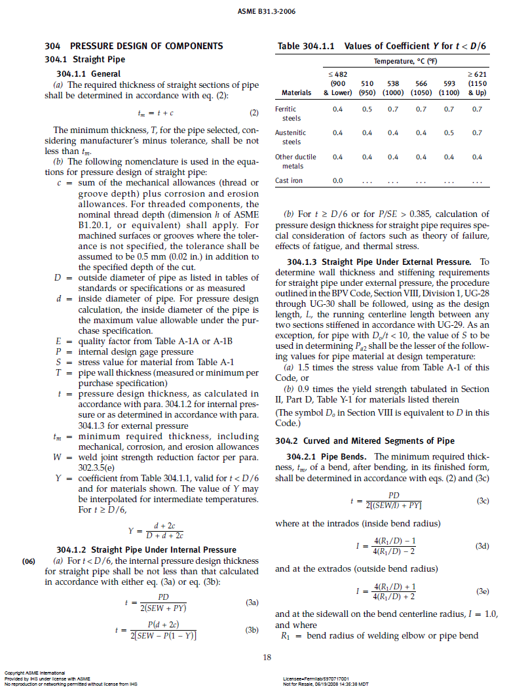
P (psi) | 290.0
D (in) | 6.00
S (psi) | 16700
E | 1.0
W | 0.8
Y | 1.0
d (in) | 5.83
c | 0.0

t (in) eq 3a | 0.0637
t (in) eq 3b | 0.0633

Problem 3
Problem 3
Using the following table, estimate the thermal conductivity integrals for the material from 300 K to 80 K, 80 K to 4 K, and 300 K to 4 K.

Thermal conductivity vs. temperature
4 | 0.0024
80 | 0.083
200 | 0.13
300 | 0.15
T (K) | k (W/cm-K) | Intgl (W/cm)
4 | 0.0024 | 3.25
80 | 0.083 | 12.78
200 | 0.13 | 14.00
300 | 0.15

Integral (300-80) |  | 26.78 | W/cm
Integral (80-4) |  | 3.25 | W/cm
Integral (300-4) |  | 30.03 | W/cm

Problem 5
Problem 5
Using the hollow G-11 rod below, estimate the heat flows through the rod sections, Q1 through Q3 and the heat loads to the two shields, Qshield 1 and Qshield 2.

Section | OD (mm) | ID (mm) | L1 (mm) | A (mm2) | Intgrl kdT (W/mm) | Q (W)
1 | 8 | 6 | 100 | 21.99 | 0.120 | 0.0264
2 | 8 | 6 | 125 | 21.99 | 0.016 | 0.0028
3 | 8 | 6 | 50 | 21.99 | 0.002 | 0.0009

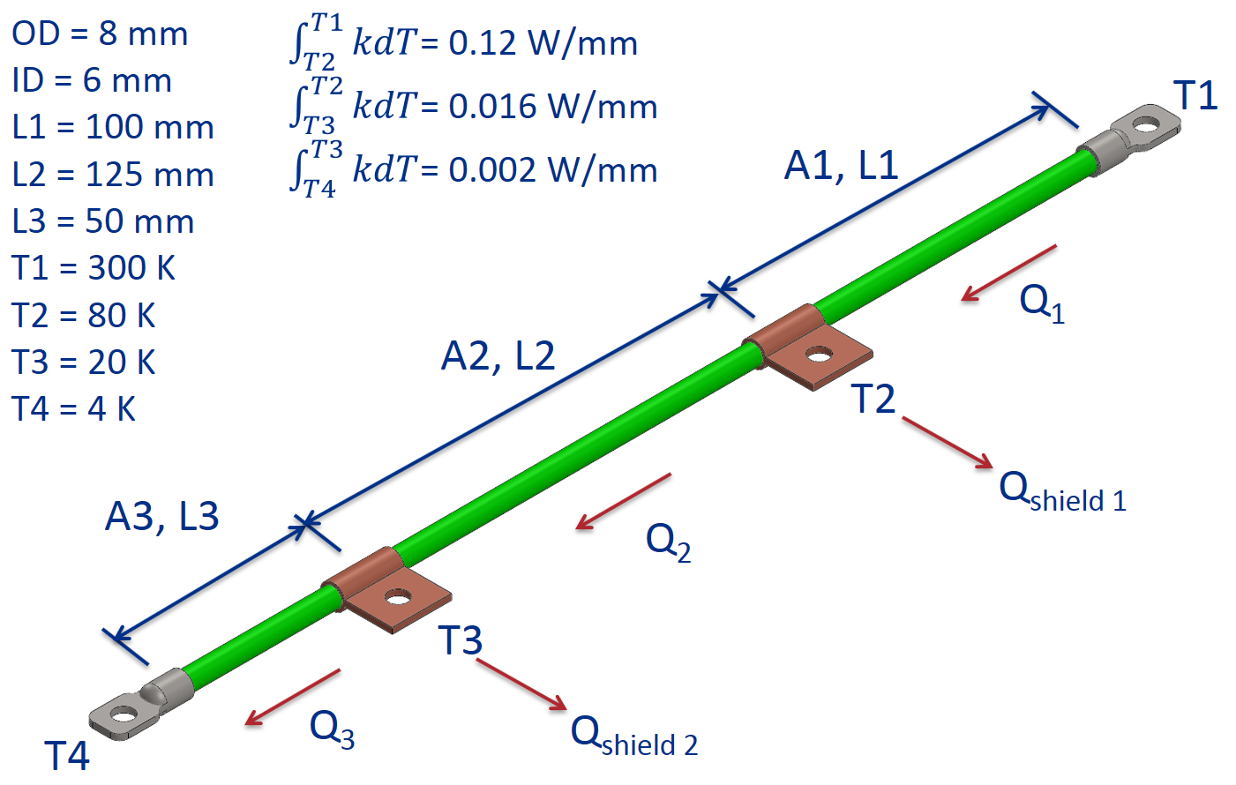
Q1 | 0.0264 | W
Q2 | 0.0028 | W
Q3 | 0.0009 | W
Qshield 1 | 0.0236 | W
Qshield 2 | 0.0019 | W

